Sheet3
Employee ID | Name | Department | Product | Region | Units Sold | Unit Price | Date of Sale | Total Sale
E1000 | Grace | Finance | Phone | West | 52 | 3890 | 2023-01-01 0.00.00 | 202280
E1001 | Grace | Finance | Tablet | South | 20 | 1050 | 2023-01-08 0.00.00 | 21000 | 1 | Row Labels | Sum of Total Sale
E1002 | Frank | Sales | Phone | South | 74 | 1334 | 2023-01-15 0.00.00 | 98716 |  | Finance | 2289021
E1003 | David | Finance | Phone | North | 12 | 2991 | 2023-01-22 0.00.00 | 35892 |  | HR | 2920379
E1004 | Frank | Sales | Monitor | North | 24 | 1326 | 2023-01-29 0.00.00 | 31824 |  | IT | 911991
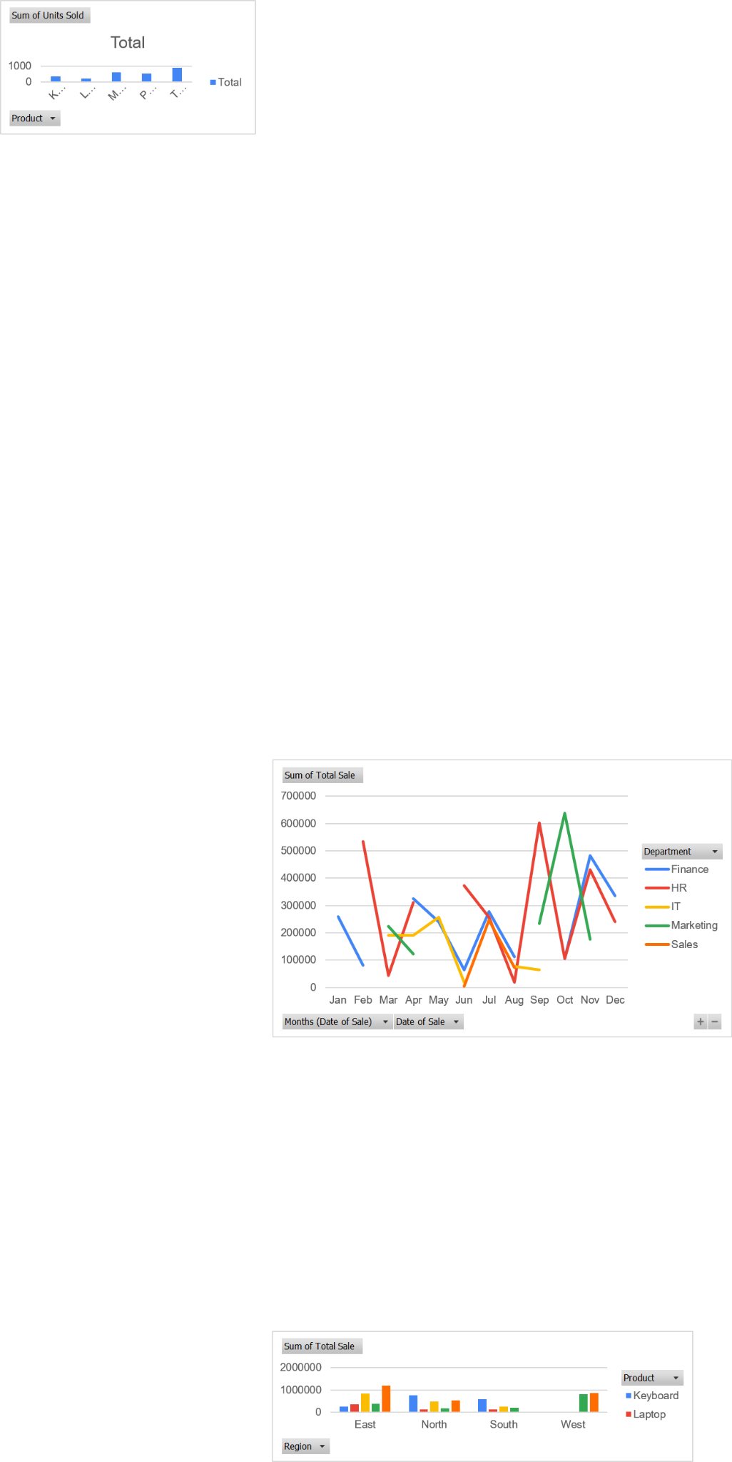
E1005 | Alice | HR | Laptop | North | 26 | 2871 | 2023-02-05 0.00.00 | 74646 |  | Marketing | 1394834
E1006 | Alice | HR | Tablet | West | 39 | 4625 | 2023-02-12 0.00.00 | 180375 |  | Sales | 473458
E1007 | Frank | Finance | Tablet | West | 36 | 2257 | 2023-02-19 0.00.00 | 81252 |  | Grand Total | 7989683
E1008 | Jack | HR | Monitor | East | 88 | 3168 | 2023-02-26 0.00.00 | 278784
E1009 | Jack | Marketing | Tablet | North | 95 | 2360 | 2023-03-05 0.00.00 | 224200 | 2 | Row Labels | Average of Unit Price
E1010 | Hannah | IT | Phone | North | 16 | 4264 | 2023-03-12 0.00.00 | 68224 |  | East | 3397.071429
E1011 | Frank | HR | Laptop | North | 11 | 4003 | 2023-03-19 0.00.00 | 44033 |  | North | 2805.133333
E1012 | Ivy | IT | Laptop | South | 28 | 4411 | 2023-03-26 0.00.00 | 123508 |  | South | 2636.111111
E1013 | Eve | HR | Monitor | East | 76 | 4104 | 2023-04-02 0.00.00 | 311904 |  | West | 2519.166667
E1014 | David | Finance | Monitor | East | 74 | 3342 | 2023-04-09 0.00.00 | 247308 |  | Grand Total | 2871.82
E1015 | David | Finance | Monitor | North | 47 | 1647 | 2023-04-16 0.00.00 | 77409
E1016 | Jack | Marketing | Monitor | North | 60 | 2045 | 2023-04-23 0.00.00 | 122700 | 3 | Row Labels | Sum of Units Sold
E1017 | Grace | IT | Monitor | South | 62 | 3073 | 2023-04-30 0.00.00 | 190526 |  | Keyboard | 366
E1018 | Frank | IT | Tablet | East | 57 | 2641 | 2023-05-07 0.00.00 | 150537 |  | Laptop | 189
E1019 | Frank | IT | Monitor | South | 32 | 1582 | 2023-05-14 0.00.00 | 50624 |  | Monitor | 603
E1020 | Bob | Finance | Tablet | West | 64 | 3773 | 2023-05-21 0.00.00 | 241472 |  | Phone | 544
E1021 | Ivy | IT | Tablet | North | 25 | 2213 | 2023-05-28 0.00.00 | 55325 |  | Tablet | 908
E1022 | Frank | Finance | Phone | North | 43 | 1518 | 2023-06-04 0.00.00 | 65274 |  | Grand Total | 2610
E1023 | Eve | IT | Monitor | South | 18 | 1042 | 2023-06-11 0.00.00 | 18756
E1024 | Bob | Sales | Monitor | East | 2 | 2178 | 2023-06-18 0.00.00 | 4356 | 4 | Row Labels | Count of Employee ID
E1025 | Charlie | HR | Phone | East | 84 | 4439 | 2023-06-25 0.00.00 | 372876 |  | East | 14
E1026 | Frank | Finance | Monitor | North | 12 | 1148 | 2023-07-02 0.00.00 | 13776 |  | North | 15
E1027 | Bob | Finance | Tablet | East | 65 | 4067 | 2023-07-09 0.00.00 | 264355 |  | South | 9
E1028 | Ivy | HR | Laptop | East | 30 | 3294 | 2023-07-16 0.00.00 | 98820 |  | West | 12
E1029 | Eve | HR | Laptop | East | 70 | 2269 | 2023-07-23 0.00.00 | 158830 |  | Grand Total | 50
E1030 | Bob | Sales | Tablet | North | 87 | 2832 | 2023-07-30 0.00.00 | 246384
E1031 | Ivy | Finance | Phone | South | 33 | 3414 | 2023-08-06 0.00.00 | 112662 | 5 | Row Labels | Sum of Total Sale
E1032 | Alice | Sales | Tablet | West | 46 | 1579 | 2023-08-13 0.00.00 | 72634 |  | Alice | 814834
E1033 | David | HR | Monitor | West | 14 | 1342 | 2023-08-20 0.00.00 | 18788 |  | Bob | 776111
E1034 | Grace | IT | Tablet | East | 59 | 1297 | 2023-08-27 0.00.00 | 76523 |  | Charlie | 372876
E1035 | Jack | HR | Tablet | East | 71 | 4518 | 2023-09-03 0.00.00 | 320778 |  | David | 1293320
E1036 | Ivy | Marketing | Monitor | North | 80 | 2925 | 2023-09-10 0.00.00 | 234000 |  | Eve | 489490
E1037 | Frank | HR | Keyboard | North | 57 | 4951 | 2023-09-17 0.00.00 | 282207 |  | Frank | 1301594
E1038 | David | IT | Phone | West | 37 | 1757 | 2023-09-24 0.00.00 | 65009 |  | Grace | 596217
E1039 | Grace | HR | Laptop | East | 24 | 4412 | 2023-10-01 0.00.00 | 105888 |  | Hannah | 68224
E1040 | Bob | Sales | Monitor | West | 14 | 1396 | 2023-10-08 0.00.00 | 19544 |  | Ivy | 624315
E1041 | Jack | Marketing | Keyboard | East | 65 | 4050 | 2023-10-15 0.00.00 | 263250 |  | Jack | 1652702
E1042 | Alice | Marketing | Tablet | East | 99 | 3780 | 2023-10-22 0.00.00 | 374220 |  | Grand Total | 7989683
E1043 | Jack | Finance | Phone | West | 99 | 1075 | 2023-10-29 0.00.00 | 106425
E1044 | David | Marketing | Tablet | West | 82 | 2152 | 2023-11-05 0.00.00 | 176464 | 6 | Row Labels | Sum of Total Sale
E1045 | Frank | Finance | Keyboard | North | 97 | 4983 | 2023-11-12 0.00.00 | 483351 |  | Jan | 389712
E1046 | David | HR | Phone | West | 94 | 4591 | 2023-11-19 0.00.00 | 431554 |  | Feb | 615057
E1047 | Alice | IT | Tablet | West | 63 | 1793 | 2023-11-26 0.00.00 | 112959 |  | Mar | 459965
E1048 | David | HR | Keyboard | South | 64 | 3764 | 2023-12-03 0.00.00 | 240896 |  | Apr | 949847
E1049 | Jack | Finance | Keyboard | South | 83 | 4055 | 2023-12-10 0.00.00 | 336565 |  | May | 497958
 |  |  |  |  |  |  |  |  |  | Jun | 461262
 |  |  |  |  |  |  |  |  |  | Jul | 782165
Lookup Function Questions |  |  |  |  |  |  |  |  |  | Aug | 280607
1. VLOOKUP Dept by Emp ID |  |  | HR |  |  |  |  |  |  | Sep | 901994
2. HLOOKUP Product Header |  |  | Phone |  |  |  |  |  |  | Oct | 869327
3. XLOOKUP Region by Product |  |  | South |  |  |  |  |  |  | Nov | 1204328
4. VLOOKUP Unit Price |  |  | 3890 |  |  |  |  |  |  | Dec | 577461
5. INDEX+MATCH Unit Price |  |  | 3890 |  |  |  |  |  |  | Grand Total | 7989683
6. XLOOKUP Total Sale by Emp |  |  | 202280
7. XLOOKUP Units Sold by Product |  |  | 20 |  |  |  |  |  | 7 | Sum of Total Sale | Column Labels
8. LOOKUP Last Name |  |  | Jack |  |  |  |  |  |  | Row Labels | Finance | HR | IT | Marketing | Sales | Grand Total
9. FILTER Units > 90 |  |  | Jack | Marketing | Tablet | North | 95 |  |  | Jan | 259172 |  |  |  | 130540 | 389712
 |  |  | Alice | Marketing | Tablet | East | 99 |  |  | Feb | 81252 | 533805 |  |  |  | 615057
 |  |  | Jack | Finance | Phone | West | 99 |  |  | Mar |  | 44033 | 191732 | 224200 |  | 459965
 |  |  | Frank | Finance | Keyboard | North | 97 |  |  | Apr | 324717 | 311904 | 190526 | 122700 |  | 949847
 |  |  | David | HR | Phone | West | 94 |  |  | May | 241472 |  | 256486 |  |  | 497958
10. CHOOSE Example |  |  | South |  |  |  |  |  |  | Jun | 65274 | 372876 | 18756 |  | 4356 | 461262
 |  |  |  |  |  |  |  |  |  | Jul | 278131 | 257650 |  |  | 246384 | 782165
Pivot Table Questions |  |  |  |  |  |  |  |  |  | Aug | 112662 | 18788 | 76523 |  | 72634 | 280607
1. Total Sales by Department |  |  |  |  |  |  |  |  |  | Sep |  | 602985 | 65009 | 234000 |  | 901994
2. Average Unit Price by Region |  |  |  |  |  |  |  |  |  | Oct | 106425 | 105888 |  | 637470 | 19544 | 869327
3. Units Sold by Product (Chart) |  |  |  |  |  |  |  |  |  | Nov | 483351 | 431554 | 112959 | 176464 |  | 1204328
4. Sales Count by Region |  |  |  |  |  |  |  |  |  | Dec | 336565 | 240896 |  |  |  | 577461
5. Sales by Employee |  |  |  |  |  |  |  |  |  | Grand Total | 2289021 | 3.00E+06 | 911991 | 1394834 | 473458 | 7989683
6. Monthly Sales Grouped by Date
7. Chart for Department Sales Over Time |  |  |  |  |  |  |  |  | 8 | Row Labels | Count of Product
8. Slicer for Region |  |  |  |  |  |  |  |  |  | West | 12
9. Avg & Max Unit Price per Product |  |  |  |  |  |  |  |  |  | Grand Total | 12
10. Region-wise Product Sales Chart

 |  |  |  |  |  |  |  |  | 9 | Row Labels | Average of Unit Price | Max of Unit Price2
 |  |  |  |  |  |  |  |  |  | Keyboard | 4360.6 | 4983
 |  |  |  |  |  |  |  |  |  | Laptop | 3543.333333 | 4412
 |  |  |  |  |  |  |  |  |  | Monitor | 2165.571429 | 4104
 |  |  |  |  |  |  |  |  |  | Phone | 2927.3 | 4591
 |  |  |  |  |  |  |  |  |  | Tablet | 2729.133333 | 4625
 |  |  |  |  |  |  |  |  |  | Grand Total | 2871.82 | 4983

 |  |  |  |  |  |  |  |  | 10 | Sum of Total Sale | Column Labels
 |  |  |  |  |  |  |  |  |  | Row Labels | Keyboard | Laptop | Monitor | Phone | Tablet | Grand Total
 |  |  |  |  |  |  |  |  |  | East | 263250 | 363538 | 842352 | 372876 | 1186413 | 3028429
 |  |  |  |  |  |  |  |  |  | North | 765558 | 118679 | 479709 | 169390 | 525909 | 2059245
 |  |  |  |  |  |  |  |  |  | South | 577461 | 123508 | 259906 | 211378 | 21000 | 1193253
 |  |  |  |  |  |  |  |  |  | West |  |  | 38332 | 805268 | 865156 | 1708756
 |  |  |  |  |  |  |  |  |  | Grand Total | 1606269 | 605725 | 1620299 | 1558912 | 2598478 | 7989683

